Location Plan & Summary
Intelligent Data Collection Limited

Client: | Bristol County Council |  | Date of Survey: |  | 09.07.2015
Project Number: | ID02343 |  | Site Name: |  | St Marks Road
Site Number: | ANPR Site 14 |  | Survey Type: |  | Two-way Link Count

X Coordinate |  | Y Coordinate |  | Google Maps Link
51.465803 |  | -2.568974 |  | Click Here
AM Peak Conditions |  | Inter-Peak Conditions |  | PM Peak Conditions
Clear and Sunny |  | Clear and Sunny |  | Clear and Sunny
Junction Layout

N

 |  | Arm A - St Marks Road (W)

 |  |  |  |  |  | Arm B - St Marks Road (E)

Aerial Mapping and On-site Camera View
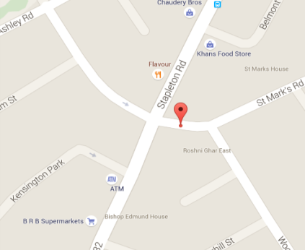

Arm A - St Marks Road (W)

Arm B - St Marks Road (E)

Junction Flow Profile
Arm Approach Flows (All Vehicles)
 | A to B (Eastbound) | B to A (Westbound) | Two-way Total
7:00:00 | 6 | 32 | 38
7:15:00 | 19 | 33 | 52
7:30:00 | 13 | 36 | 49
7:45:00 | 14 | 45 | 59
8:00:00 | 16 | 58 | 74
8:15:00 | 23 | 65 | 88
8:30:00 | 33 | 68 | 101
8:45:00 | 24 | 79 | 103
9:00:00 | 31 | 49 | 80
9:15:00 | 20 | 50 | 70
9:30:00 | 17 | 39 | 56
9:45:00 | 22 | 46 | 68
10:00:00 | 20 | 43 | 63
10:15:00 | 23 | 32 | 55
10:30:00 | 16 | 41 | 57
10:45:00 | 27 | 47 | 74
11:00:00 | 19 | 33 | 52
11:15:00 | 22 | 37 | 59
11:30:00 | 27 | 48 | 75
11:45:00 | 22 | 34 | 56
12:00:00 | 42 | 47 | 89
12:15:00 | 36 | 51 | 87
12:30:00 | 38 | 52 | 90
12:45:00 | 27 | 52 | 79
13:00:00 | 29 | 52 | 81
13:15:00 | 35 | 45 | 80
13:30:00 | 35 | 44 | 79
13:45:00 | 30 | 30 | 60
14:00:00 | 35 | 43 | 78
14:15:00 | 25 | 50 | 75
14:30:00 | 23 | 38 | 61
14:45:00 | 23 | 61 | 84
15:00:00 | 30 | 51 | 81
15:15:00 | 40 | 52 | 92
15:30:00 | 49 | 53 | 102
15:45:00 | 45 | 50 | 95
16:00:00 | 37 | 36 | 73
16:15:00 | 44 | 56 | 100
16:30:00 | 43 | 56 | 99
16:45:00 | 54 | 53 | 107
17:00:00 | 52 | 52 | 104
17:15:00 | 61 | 54 | 115
17:30:00 | 66 | 44 | 110
17:45:00 | 55 | 62 | 117
18:00:00 | 63 | 58 | 121
18:15:00 | 49 | 54 | 103
18:30:00 | 51 | 52 | 103
18:45:00 | 34 | 56 | 90

Additional Notes (Factors which may impact on survey results such as accidents, roadworks, special events):

